Policy Methodology
Methodology
The base hourly rates reported:
•Providers report base hourly rates through the Talent Acquisition Services (TAS) reporting process. Rates are GST exclusive.
•For records where a daily rate has been reported instead of an hourly rate, the daily rate is converted to an hourly equivalent by dividing the reported rate by eight.
•Any hourly rate greater than $260 is excluded from the analysis unless identified as a daily rate requiring conversion.
•Records with hourly rates below $23 are excluded from the analysis.
•Records with a quantity of zero are excluded from the analysis.
Role type identification and grouping:
•Policy contractor records are extracted from Talent Acquisition Services (TAS) submissions made by participating Public Service agencies. •The analysis is limited to contractor engagements classified within the Policy Research and Evaluation job area. •Job family classifications are matched against the approved policy contractor classifications maintained within the Policy Contractor Project reference file.
•Where a role has been reported under the generic Job Area "OTHER", the role is reassigned to the most frequently reported Job Area used for the same Job Title where sufficient information exists.
•Job Titles are standardised to improve consistency across supplier submissions. •Results are reported at Job Title level, enabling comparison of contractor rates across similar policy-related roles.
•Only Job Titles with at least five contractor placements are included in the final benchmarking outputs.
Metrics
For each Job Title, the following metrics are calculated using contractors' reported base hourly rates:
•For each job category, four metrics are calculated:
-Q-25% (25th percentile): Represents the hourly rate below which 25% of contractor placements fall.
•Median (50th percentile): Represents the midpoint hourly rate where 50% of contractor placements fall above and below the value.
Q-75% (75th percentile): Represents the hourly rate below which 75% of contractor placements fall.
Q-90% (90th percentile): Represents the hourly rate below which 90% of contractor placements fall.
Average Hourly Rate: Mean contractor hourly rate for the Job Title.
Minimum Hourly Rate: Lowest reported hourly rate for the Job Title.
Maximum Hourly Rate: Highest reported hourly rate for the Job Title.
Placement Count: Number of contractor placements included in the calculation.
•The benchmarking metrics are calculated using supplier submissions covering the reporting periods included in this analysis.
Contractor Premium Analysis
To provide additional context, contractor rates are compared against benchmark employee hourly rates.
The following employee benchmark rates are used:
Classification: Employee Hourly Rate Advisor$50 Senior Advisor$70 Principal Advisor$92
The contractor premium is calculated as:
Contractor Premium = Contractor Hourly Rate ÷ Employee Hourly Rate
Average contractor premium values are reported at Job Title level.
Visualisation Methodology
Benchmarking graphs display the distribution of contractor hourly rates for the highest-volume Job Titles included in the analysis.
Job Titles are ordered according to their median hourly rate.
The graphs display:
Q-25%
Median
Q-75%
Q-90%
The line segment between Q-25% and Q-90% illustrates the spread of contractor rates within each Job Title.
The median value is displayed on the chart to support interpretation.
Data Quality and Validation
Data is sourced directly from supplier submissions within the NZ Government Procurement Talent Acquisition Services reporting system.
Job Titles, Job Families and Job Areas are standardised to improve consistency.
Invalid, missing or non-numeric rate values are excluded from analysis.
Duplicate reporting artefacts and misclassified "OTHER" Job Area records are reviewed and reassigned where appropriate.
Privacy protection:
•To protect confidentiality and avoid identification of individual contractors, Job Titles with fewer than five contractor placements are excluded from published benchmarking outputs. Results are presented only in aggregated form. No supplier-level, agency-level or individual contractor information is displayed in the published output.

Benchmark Methodology
Methodology
The base hourly rates reported:
•Providers report base hourly rates unless they specified otherwise under spend notes eg daily rate, and are GST exclusive
•Any rate equal to or greater than $259 has been removed from the data set. This is based on our understanding of nature of jobs in this range and the assumption that the rate is an error in the provider’s reporting.
•Any rate equal to or greater than $259 that has a spend note advising it is a daily rate is kept in the data set. The base hourly rate is calculated by dividing the number by eight.
Role type identification and grouping:
•Role types are reported by providers. Because of this there will be some variation in how roles types are provided eg different providers define roles types differently.
•This dataset groups role types reported to common administration and corporate and common IT job families.
•We have grouped role types according to Job families listed in the AoG Talent Acquisition Services contract – Services Definition document.
•In the graphs, the top ten role types for each grouping - common administration and corporate and common IT, are shown.
•In the spreadsheet all role types reported for each grouping - common administration and corporate and common IT, are shown.
•In this dataset, role types are grouped into two job families: common administration and corporate and common IT job families. We use the Job families list in AoG Talent Acquisition Services contract – Services Definition document to determine which group we assign each role type to, specialist role types, that are not in-scope of the panel, are excluded from the data set. Overall over 90% of information provided by providers was used for analysis.
Metrics
•For each job category, four metrics are calculated:
-Q-25% represents the 25th percentile (lower quartile) of the distribution of events' base hourly rates,
•Median percentile represents 50 percent of the distribution of the events' base hourly rates and the hourly rate ($/per hour)
-Q-75% represents 75th percentile of the distribution of the events’ base hourly rates
-Q-90% represents 90th percentile of the distribution of the events’ base hourly rates
•The metrics are calculated based on the submission from suppliers, July 2025 to September 2025
Privacy protection:
•For privacy reasons, role types that have less than or equal to ten contractors in total are reported as <= 10) in the DataTable (under Column C – number of contractors).

Policy_job_title_graph
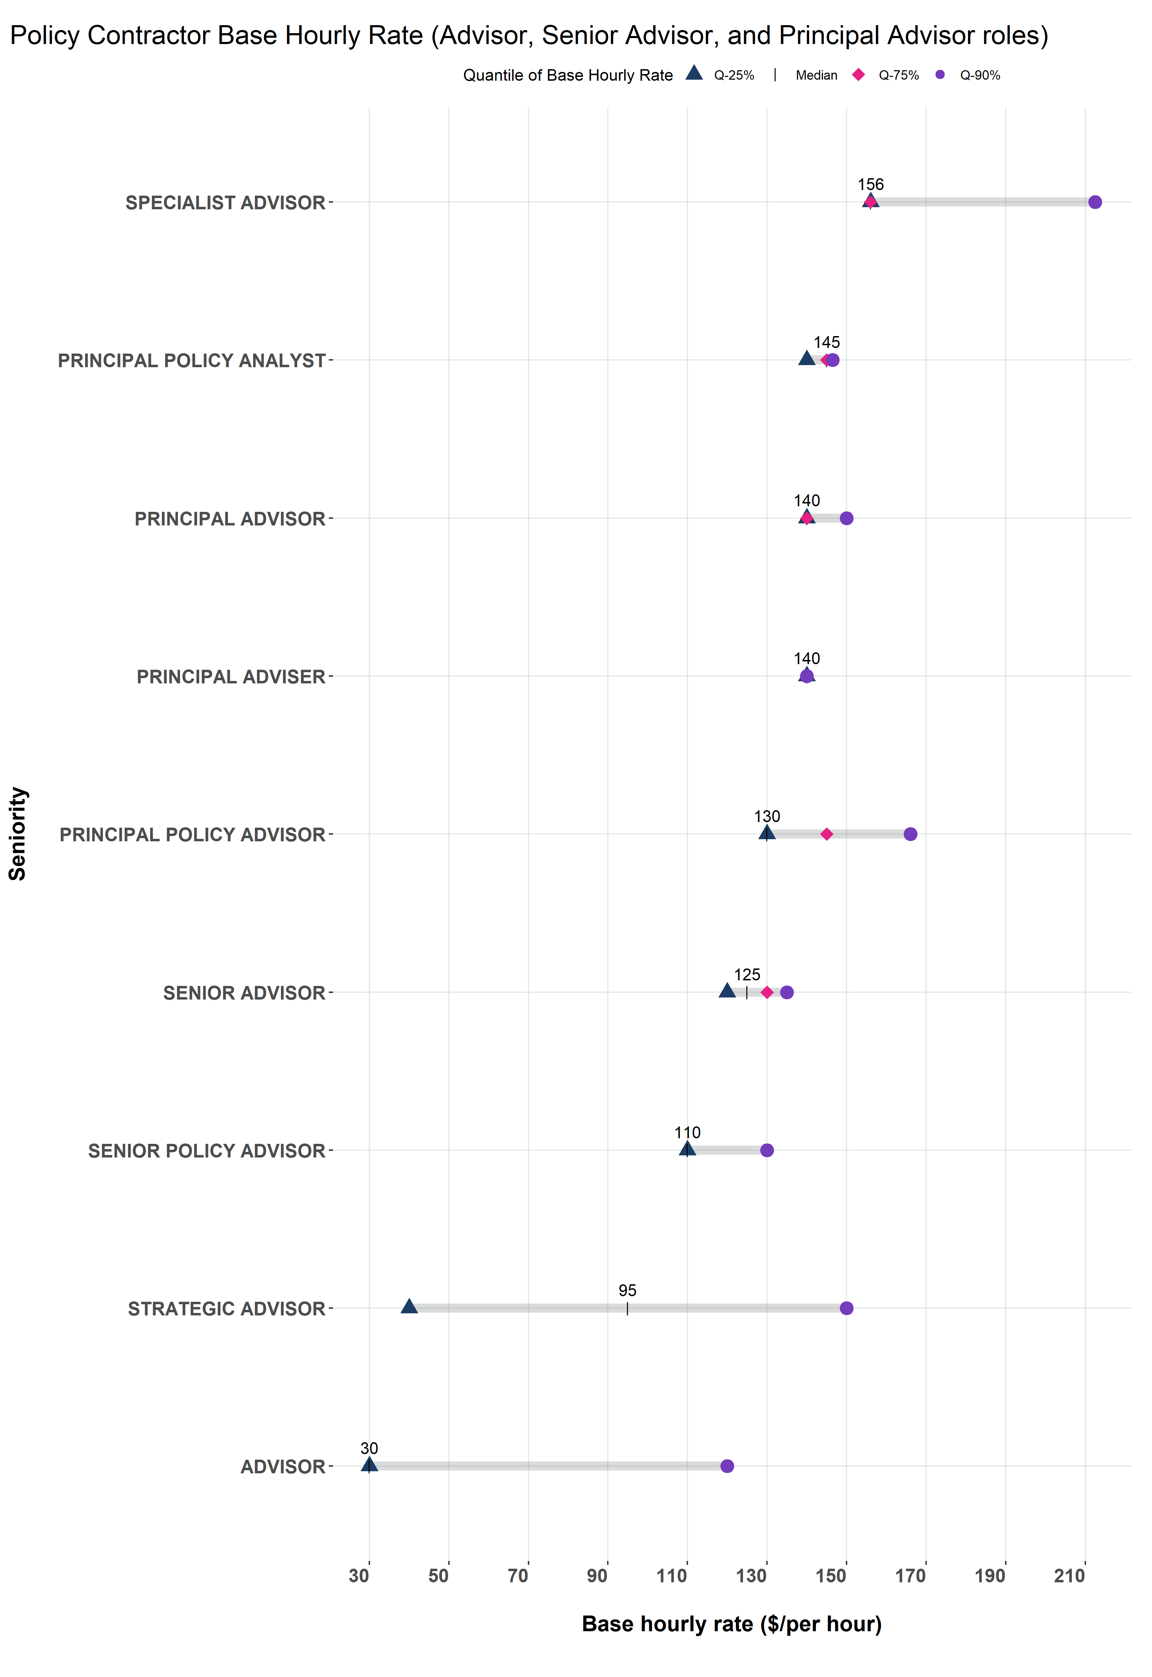
All-of-Government (AoG) Talent Acquisition Services contract: Contractor base hourly rate for Policy Contractor roles, January 2026 to March 2026
This Modified Box Plot represents the base hourly rate for Policy Contractor role types recruited by participating agencies through the All-of-Government Talent Acquisition Services contract between January 2026 to March 2026.
The Y-Axis represents the top ten common Administration and Corporate role types. The X-Axis is the base hourly rate ($/per hour).
Each role type has a grey bar which indicates the range of base hourly rates from 25th percentile to the 90th percentile:
• Q-25% represents the 25th percentile (lower quartile) of the distribution of the contractors base hourly rates,
• Median percentile represents 50 percent of the distribution of the contractors base hourly rates and the base hourly rate ($/per hour) is provided,
• Q-75% represents 75th percentile (upper quartile) of the distribution of the contractors base hourly rates,
• Q-90% represents 90th percentile of the distribution of the contractors base hourly rates.

Benchmark_IT_graph
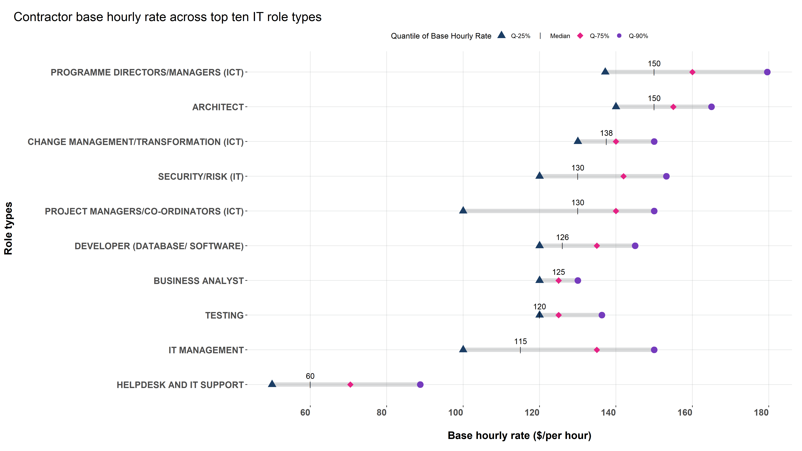

All-of-Government (AoG) Talent Acquisition Services contract: Contractor base hourly rate in top ten IT role types, January 2026 to March 2026
This Modified Box Plot represents the base hourly rate of contractors in the top ten common IT role types recruited by participating agencies through the All-of-Government Talent Acquisition Services contract. Top ten is based on the total number of Events recorded in recruitment between January 2026 and March 2026.
The Y-Axis represents the top ten common IT role types. The X-Axis is the base hourly rate ($/per hour).
Each role type has a grey bar which indicates the range of base hourly rates from 25th percentile to the 90th percentile:
• Q-25% represents the 25th percentile (lower quartile) of the distribution of the contractors base hourly rates,
• Median percentile represents 50 percent of the distribution of the contractors base hourly rates and the base hourly rate ($/per hour) is provided,
• Q-75% represents 75th percentile (upper quartile) of the distribution of the contractors base hourly rates,
• Q-90% represents 90th percentile of the distribution of the contractors base hourly rates.

Benchmark_AdminCorporate_graph
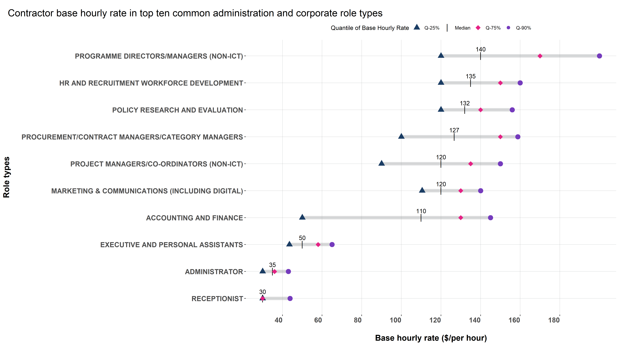

All-of-Government (AoG) Talent Acquisition Services contract: Contractor base hourly rate in top ten common Administration and Corporate role types, Janaury 2026 to March 2026
This Modified Box Plot represents the base hourly rate of events in top ten common Administration and Corporate role types recruited by participating agencies through the Talent Acquisition Services contract. Top ten is based on the total number of events recorded in recruitment between January 2026 to March 2026.
The Y-Axis represents the top ten common Administration and Corporate role types recruited in the specified time period. The X-Axis is the base hourly rate ($/per hour).
Each role type has a grey bar which indicates the range of base hourly rates from 25th percentile to the 90th percentile:
• Q-25% represents the 25th percentile (lower quartile) of the distribution of events base hourly rates,
• Median percentile represents 50 percent of the distribution of the events' base hourly rates and the hourly rate ($/per hour) is provided,
• Q-75% represents 75th percentile of the distribution of the contractors base hourly rates,
• Q-90% represents 90th percentile of the distribution of the contractors base hourly rates.

