Introduction and instructions
Supplier Segmentation Template

Introduction and instructions

1. The SRM Programme overview

SRM is increasing mutual transparency and knowledge-sharing to elevate key relationships into mutually vested partnerships that deliver innovation and greater value for money. SRM is a business change programme part of a wider holistic approach to supplier management that requires the foundations of effective risk, contract and performance management in place. The objective of the project is for all business units to have the opportunity to contribute to and shape the development of a consistent approach to SRM.

2. Segmentation process overview
An important part of this project is to agree a more objective segmentation approach that can be adopted by the whole group. This segmentation will be conducted in three steps:

Step 1
Category segmentation
Step 2
Supplier segmentation
Step 3
Stakeholder validation

What? | Segment categories according to their spend and criticality. | Segment suppliers within category, in order of priority according to the outcome of step 1, based on criticality and potential value. | Validate the output of the segmentation process and obtain stakeholder buy-in.

Why? | Create a clear picture of how significant the category is and indicate the most beneficial SRM strategy to be adopted. Inform future supplier selection on what kind of relationship and therefore what supplier attributes are going to be required. | Differentiate between suppliers within the same category and align the most appropriate engagement strategy. | No segmentation model is 100% exhaustive. Relevant stakeholders must be able to challenge the output and identify factors not considered within the model and exceptions. Gain stakeholder support for the final segmentation output.

3. Instructions
 | 1. Review the list of suppliers that your agency currently has.
 | 2. In the supplier segmentation questionnaire, write the name of the suppliers in row 4.
 | 3. For each supplier, complete the supplier segmentation questionnaire by inserting in column G, I, K, ... the appropriate score for each criterion for the criticality and value potential questions.
 | 4. Once the category questionnaire is completed the results will be presented in the Supplier scores tab (hidden sheet) and a visual representation of the final supplier segmentation results will be shown in the final output tab.

3 - For each supplier, enter values between 0 to 3 for each question.
2 - Enter the name of the supplier under consideration.
1- In the 'supplier questionnaire' tab, review and adjust the weighting of each criterion.

Final output - Tier Graph
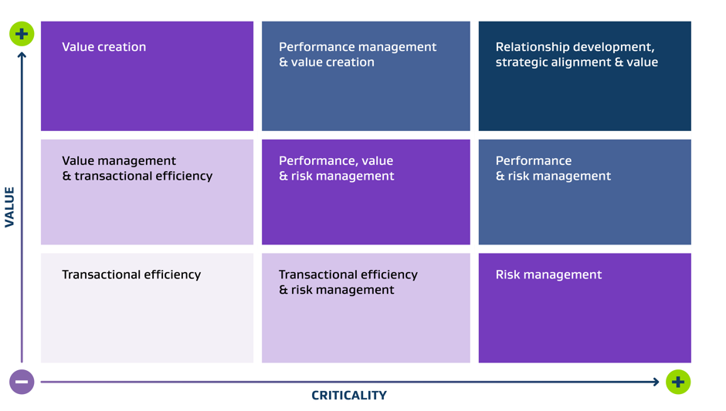
Supplier segmentation
Segmentation Output
 | ABC
1.4 | 1.8
0.7 | 0.2
#N/A | #N/A
#N/A | #N/A
#N/A | #N/A
#N/A | #N/A
#N/A | #N/A
#N/A | #N/A
#N/A | #N/A
#N/A | #N/A
#N/A | #N/A

HELP - Scoring Details
Back
Consideration | Scoring Details
Dependency & Switching Costs | Significant: Switching would require developing a new supplier's capabilities and likely create significant risk of organisational disruption
 | Moderate: Alternate suppliers available or identified; switching would just require coordination / planning
 | Little: Could readily switch to another supplier
 | None: There are other suppliers that offers the same service or product
Risk Exposure | Significant: Supplier's product/service can easily create liabilities and reputation risk
 | Moderate: Supplier's product/service can create liabilities and reputation risk for one product group or segment
 | Little: Supplier's product/service does not pose appreciable risk
 | Little: Supplier's product/service poses no risk
Supplier Integration | Significant: Supplier's product/service is deeply embedded into our current processes, with any change or service disruption resulting in high cost and disruption
 | Moderate: Supplier's product/service is linked to our current processes, with any change or service disruption resulting in moderate cost and disruption
 | Little: Supplier's product/service is not critical to our current processes with any changes or service disruption resulting in manageable overall impact after a short period.
 | This supplier's spend product / service has no direct impact to our processes or service risk.
Critical Data | Significant: Open-book policy; effective joint ventures
 | Moderate: Sharing restricted to selected projects/areas
 | Little: Arms-length relationship
 | No sharing or integration with supplier
Risk (1) | More than Once: There was more than one supply disruption in the last 12 months
 | Once: There was one supply disruption in the last 12 months
 | No: No supply disruptions
 | N/A
Risk (2) | Very Likely: Multiple areas of concern (e.g. significant weakening of supplier financial ratios, difficult macro economic conditions for industry, etc.)
 | Somewhat Likely: Some concern in one area (e.g., some weakening of certain financial ratios)
 | Unlikely: All risk indicators are positive (e.g. solid financial ratios, no major employee/legal/regulatory issues, etc.)
 | N/A
Agency view of likeliness of future opportunity | High = It is very likely that the supplier can have a significant positive impact on our productivity or products and hence revenue / cost structure
 | Moderate = It is likely that supplier can positively impact our product and generate additional value
 | Low = There is limited opportunity for the supplier to positively impact our operations
 | None = There is no opportunity with this supplier
Current capabilities | High = The supplier has a high level of technical excellence and unique capabilities
 | Moderate = Supplier has some unique capability and/or demonstrated technical excellence in multiple areas
 | Little = The supplier has few (if any) unique capabilities and may hold technical excellence in few areas
 | None = Supplier doesn't possess or make available any compelling competitive capability or technical excellence that can positively impact revenue/cost structure.
Supplier’s likeliness to see this as an opportunity and their willingness to participate. | High = Supplier will actively participate in SRM initiatives to ensure equitable value is achieved
 | Moderate = expectation that supplier would be receptive to supporting the majority of SRM initiatives
 | Equal = It is unsure how SRM initiatives would be received by supplier
 | Low = Supplier does not value SRM initiatives.
Supplier’s likeliness to develop additional future value | High = In process of negotiating access to new products which will provides additional future value
 | Likelihood = medium to high
 | Somewhat: Known to be developing products which will provides additional future value
 | Low = Supplier is not showing signs of innovation or development of new products
Market influence | Significant = Supplier's product/service is critical to their market
 | Moderate = Supplier's product/service is indirectly related to the market they're in
 | Little = Supplier's product/service is far removed from the market they're in
 | None = Supplier doesn't have a unique product/service that impacts the market they're in
Service delivery | Significant = Supplier's product/service is critical to service delivery
 | Moderate = Supplier's product/service is indirectly related to service delivery
 | Little = Supplier's product/service is far removed from service delivery
 | None = Supplier doesn't have a unique product/service that positively impacts our revenue/cost structure or our access is disadvantaged
Annual historical spend for FY21 | Significant = Greater than or equal to 2 Standard Deviations from the average spend per supplier
 | Moderate = Between 1 and 2 Standard Deviations from the average spend per supplier
 | Little = Less than 1 Standard Deviation from the average spend per supplier
 | None
Back

