Instructions
Government Light Fleet Optimisation and Transition to Electric Vehicles Data Collection Form | Detailed instructions:
This data collection form will be used to help build a forward view | 1. Click in the grey box in cells C1-G1 and use the drop down menu to find and select your agency name.
of the government light fleet to electric vehicles | The list has been populated with your full agency name (e.g. “The New Zealand Institute for Plant and Food Research Limited”) rather than the name you may be more commonly known by (e.g. “Plant and Food”).
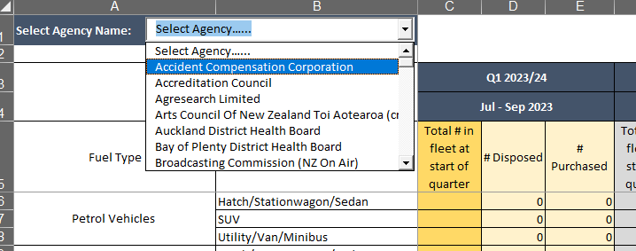
This form must be returned to New Zealand Government Procurement Policy
along with your Fleet Optimisation and Transition Plan

Prepared for:
Mandated government agencies

Prepared by:
New Zealand Government Procurement

About this form: | 2. In column C6-C20 (dark yellow) enter the number (#) of each type of vehicle you currently have in your light vehicle fleet.
This form has been prepared for the purpose of reporting to Ministers on progress with optimising and transitioning the government light fleet to electric vehicles. The light fleet consists of vehicles of 3,500kg or below excluding motorbikes, mopeds and trailers. Watercraft are also excluded. Ministry of Business, Innovation and Employment (MBIE) will share information reported in this form with Ministers. They will use the information to inform Ministers about government fleet composition and projected transition to electric vehicles. MBIE may also publish aggregated information reported in this template. | Your total fleet size (C21) will be automatically calculated. Please check this is correct before moving to the next step.
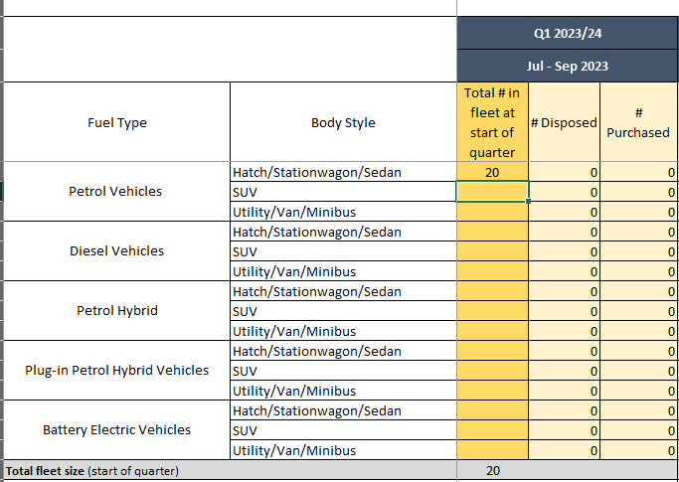

Instructions
1. Please complete the 'Owned light vehicles' tab by selecting your agency name from the dropdown agency list and populating the yellow cells where relevant. Please provide forecast data up to the financial quarter by which you will have fully transitioned your fleet to electric vehicles. If your transition will not be complete by the end of FY25/26, extend your data forecast accordingly. This year you will need to differentiate by vehicle body style. If you don't know what body style you will be purchasing please choose based on the profile of your current fleet and past vehicle purchases. Please don't use negative numbers and ensure there are no 'red' cells before submitting your data.

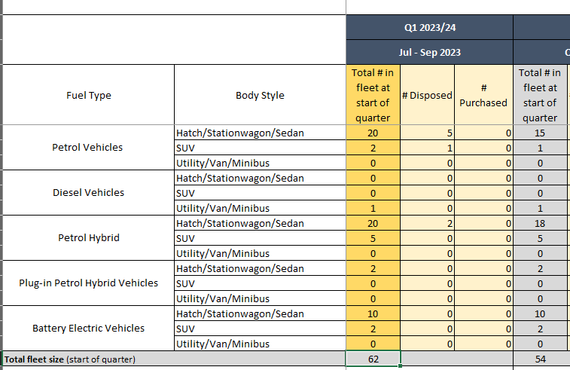
 | 3. For the first quarter (column D6-D20) enter the number of each vehicle type that you intend to dispose of in that quarter.
 | If you do not plan to dispose of any of a particular vehicle type leave the cell as zero.
2. If your agency has leased vehicles please complete the 'Leased light vehicles' tab. Please provide forecast data up to the financial quarter by which you will have fully transitioned your fleet to electric vehicles. If your transition will not be complete by the end of FY25/26, extend your data forecast accordingly.

3. Please send the completed form along with your Fleet Optimisation and Transition Plan to NZGPpolicy@mbie.govt.nz by 3 October 2023.

 | 4. For the first quarter (E6-E20) enter the number of each vehicle type that you intend to purchase in that quarter.
 | If you do not plan to purchase any of a particular vehicle type leave the cell as zero.
 | The total fleet size in row 21 will automatically change as you enter in the number of vehicles that you plan to dispose of and purchase.
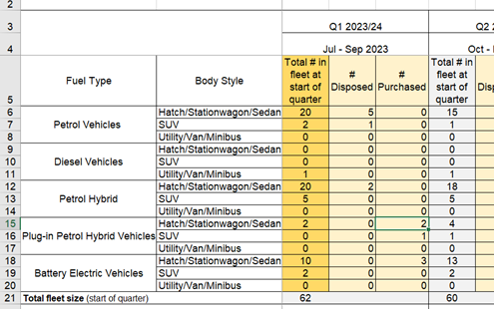

 | 5. Please enter data for all quarters through to the end of the 2025/26 financial year.
 | If your planned transition extends beyond June 2026 please provide data up to the financial quarter by which you will have fully transitioned your fleet to electric vehicles.

